Efficiency Frontier
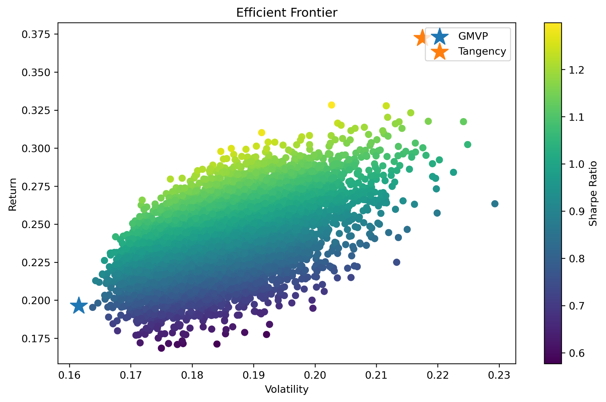

The Efficient Frontier demonstrates the trade-off between risk and return. Investors seeking minimum risk would prefer the GMVP, whereas investors seeking the highest risk-adjusted performance would select the Tangency Portfolio

